Kroucení
KROUCENÍ |  |  |  |  |  |  |  |  | Kroucení |  |  |  |  |  |  | Ohyb
Zatížení |  |  |  | Průřez |  |  |  | x = | B [Nm2] | Tω [Nm] | Tt [Nm] | σω [MPa] | τω [MPa] | τt,f [MPa] | τt,w [MPa] | My [Nm] | σmy [MPa]
qz = | 5000 | N/m |  | IPE240 |  |  | 0 | 0 | 0.00 | 217.95 | 782.05 | 0.00 | 1.20 | 59.50 | 37.65 | 0 | 0.00
e = | 0.05 | m |  | It = | 1.29E-07 | m4 | 1 | 0.4 | 69.92 | 137.74 | 762.26 | 12.78 | 0.76 | 58.00 | 36.69 | 7600 | 23.44
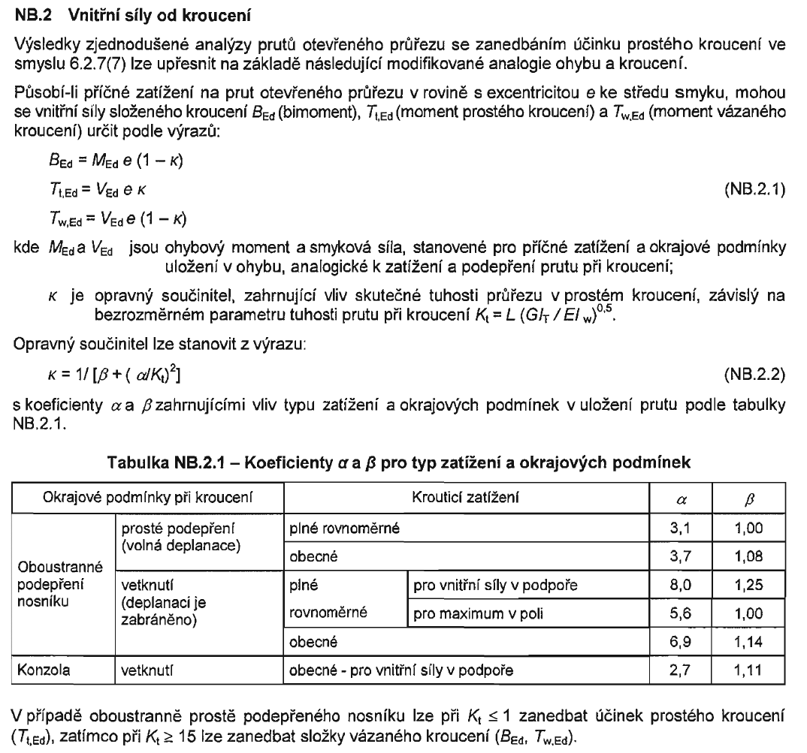
L = | 8 | m |  | Iw = | 3.78E-08 | m6 | 2 | 0.8 | 114.10 | 87.03 | 712.97 | 20.86 | 0.48 | 54.25 | 34.32 | 14400 | 44.40
mx = | 250 | Nm/m |  | ψ = | 1.1468368123 | m-1 | 3 | 1.2 | 142.01 | 54.96 | 645.04 | 25.96 | 0.30 | 49.08 | 31.05 | 20400 | 62.90
qy = | 300 | N/m |  | b = | 0.12 | m | 4 | 1.6 | 159.62 | 34.65 | 565.35 | 29.18 | 0.19 | 43.02 | 27.21 | 25600 | 78.94
 |  |  |  | h = | 0.24 | m | 5 | 2 | 170.71 | 21.77 | 478.23 | 31.21 | 0.12 | 36.39 | 23.02 | 30000 | 92.51
Materiál |  |  |  | tf = | 0.0098 | m | 6 | 2.4 | 177.65 | 13.55 | 386.45 | 32.48 | 0.07 | 29.40 | 18.60 | 33600 | 103.61
fy = | 235 | MPa |  | tw = | 0.0062 | m | 7 | 2.8 | 181.93 | 8.23 | 291.77 | 33.26 | 0.05 | 22.20 | 14.05 | 36400 | 112.24
G = | 81 | GPa |  | ω = | 0.006906 | m2 | 8 | 3.2 | 184.46 | 4.67 | 195.33 | 33.73 | 0.03 | 14.86 | 9.40 | 38400 | 118.41
E = | 210 | GPa |  | Sω,max = | 2.030364E-06 | m4 | 9 | 3.6 | 185.80 | 2.11 | 97.89 | 33.97 | 0.01 | 7.45 | 4.71 | 39600 | 122.11
γM0 = | 1 |  |  | Wy = | 3.24E-04 | m3 | 10 | 4 | 186.21 | 0.00 | 0.00 | 34.04 | 0.00 | 0.00 | 0.00 | 40000 | 123.34
 |  |  |  | Wz = | 4.73E-05 | m3 | 11 | 4.4 | 185.80 | -2.11 | -97.89 | 33.97 | -0.01 | -7.45 | -4.71 | 39600 | 122.11
 |  |  |  | Avz = | 1.37E-03 | m2 | 12 | 4.8 | 184.46 | -4.67 | -195.33 | 33.73 | -0.03 | -14.86 | -9.40 | 38400 | 118.41
 |  |  |  | Avy = | 1.98E-03 | m2 | 13 | 5.2 | 181.93 | -8.23 | -291.77 | 33.26 | -0.05 | -22.20 | -14.05 | 36400 | 112.24
 |  |  |  |  |  |  | 14 | 5.6 | 177.65 | -13.55 | -386.45 | 32.48 | -0.07 | -29.40 | -18.60 | 33600 | 103.61
 |  |  |  |  |  |  | 15 | 6 | 170.71 | -21.77 | -478.23 | 31.21 | -0.12 | -36.39 | -23.02 | 30000 | 92.51
 |  |  |  |  |  |  | 16 | 6.4 | 159.62 | -34.65 | -565.35 | 29.18 | -0.19 | -43.02 | -27.21 | 25600 | 78.94
Přibližný výpočet |  |  |  |  |  |  | 17 | 6.8 | 142.01 | -54.96 | -645.04 | 25.96 | -0.30 | -49.08 | -31.05 | 20400 | 62.90
Nad podporou |  |  | V poli |  |  |  | 18 | 7.2 | 114.10 | -87.03 | -712.97 | 20.86 | -0.48 | -54.25 | -34.32 | 14400 | 44.40
α = | 3.1 |  | α = | 3.1 |  |  | 19 | 7.6 | 69.92 | -137.74 | -762.26 | 12.78 | -0.76 | -58.00 | -36.69 | 7600 | 23.44
β = | 1 |  | β = | 1 |  |  | 20 | 8 | 0.00 | -217.95 | -782.05 | 0.00 | -1.20 | -59.50 | -37.65 | 0 | 0.00
κ = | 0.89753160912 |  |  | 0.89753160912
Forces
Stresses
My = | 0 | Nm | My = | 40000 | Nm
Vz = | 20000 | N | Vz = | 0 | N
B = | 0 | Nm2 | B = | 204.93678177 | Nm2
Tω = | 102.46839088 | Nm | Tω = | 0 | Nm
Tt = | 897.53160912 | Nm | Tt = | 0 | Nm
σω = | 0.000 | MPa | σω = | 37.469 | MPa
τω = | 0.562 | MPa | τω = | 0.000 | MPa
τt,f = | 68.290 | MPa | τt,f = | 0.000 | MPa
τt,w = | 43.204 | MPa | τt,w = | 0.000 | MPa

Přesný výpočet
Nad podporou |  |  | V poli
x = | 0 | m | x = | 4 | m
B = | 0.000 | Nm2 | B = | 186.211 | Nm2
Tω = | 217.946 | Nm | Tω = | 0.000 | Nm
Tt = | 782.054 | Nm | Tt = | 0.000 | Nm
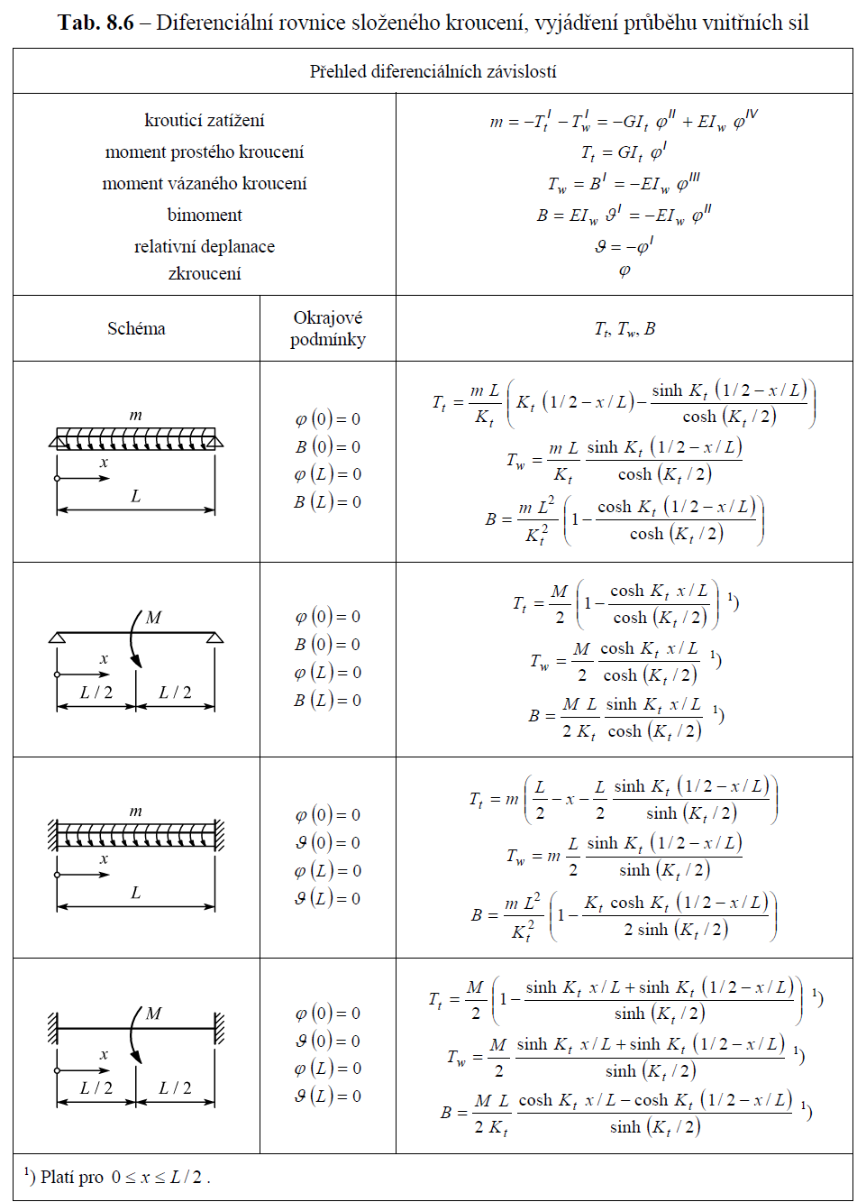
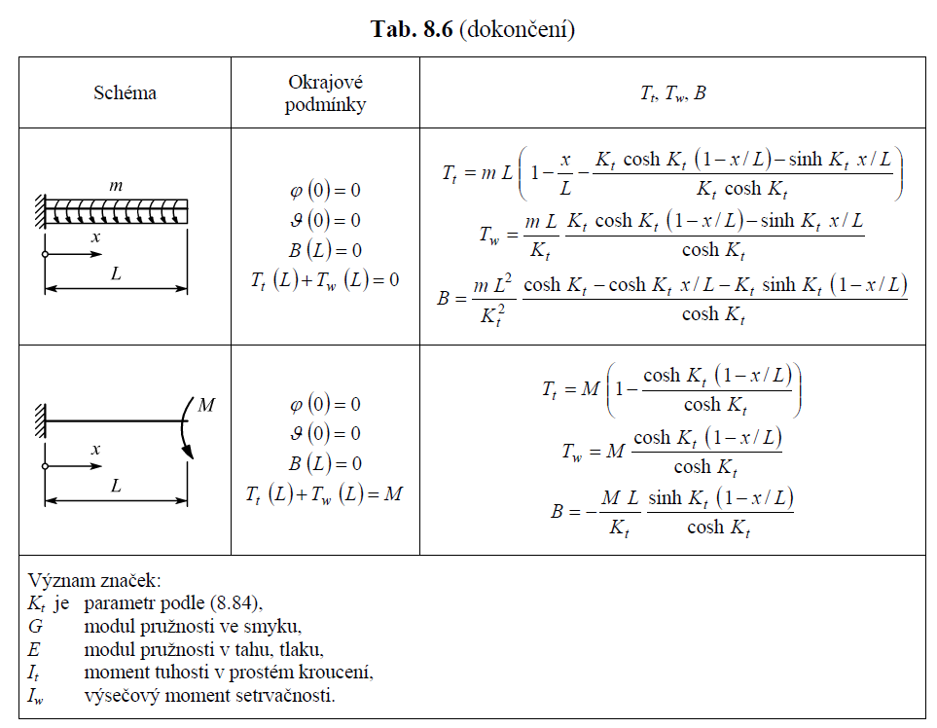
σω = | 0.000 | MPa | σω = | 34.045 | MPa
τω = | 1.195 | MPa | τω = | 0.000 | MPa
τt,f = | 59.504 | MPa | τt,f = | 0.000 | MPa
τt,w = | 37.645 | MPa | τt,w = | 0.000 | MPa

SMYK
τvz = | 14.599 | MPa | τvz = | 0.000 | MPa
Vy = | 1200 | N | Vy = | 0 | N
τvy = | 0.606 | MPa | τvy = | 0.000 | MPa

OHYB
σby = | 0.000 | MPa | σby = | 123.343 | MPa
Mz = | 0.000 | Nm | Mz = | 2400 | Nm
σbz = | 0.000 | MPa | σbz = | 50.772 | MPa

SOUČET NAPĚTÍ
σ = | 208.160 | MPa | ≤ | 235 | MPa | uprostřed
τw = | 52.244 | MPa | ≤ | 135.67731326 | MPa | nad podporou na stojině
τf = | 61.306 | MPa | ≤ | 135.67731326 | MPa | nad podporou na pásnici

Kroucení - vetknutí
KROUCENÍ
 |  |  |  |  |  |  | x = | B | Tω | Tt | σω | τω | τt,f | τt,w
Mx = | 30000 | Nm | HEB400 |  |  | 0 | 0 | -42572 | 30000 | 0 | -314 | 17 | 0 | 0
 |  |  | G = | 81 | GPa | 1 | 0.105 | -39504 | 28452 | 1548 | -292 | 16 | 10 | 6
L = | 2.1 | m | E= | 210 | GPa | 2 | 0.21 | -36593 | 27016 | 2984 | -270 | 15 | 20 | 11
x = | 0 | m | It = | 3.56E-06 | m4 | 3 | 0.315 | -33827 | 25687 | 4313 | -250 | 14 | 29 | 16
mx = | 0 | Nm/m | Iw = | 3.82E-06 | m6 | 4 | 0.42 | -31195 | 24461 | 5539 | -230 | 14 | 37 | 21
 |  |  | Kt = | 1.259 |  | 5 | 0.525 | -28687 | 23331 | 6669 | -212 | 13 | 45 | 25
 |  |  | b = | 0.3 | m | 6 | 0.63 | -26293 | 22294 | 7706 | -194 | 12 | 52 | 29
 |  |  | h = | 0.4 | m | 7 | 0.735 | -24002 | 21345 | 8655 | -177 | 12 | 58 | 33
 |  |  | tf = | 0.024 | m | 8 | 0.84 | -21807 | 20481 | 9519 | -161 | 11 | 64 | 36
 |  |  | tw = | 0.0135 | m | 9 | 0.945 | -19698 | 19698 | 10302 | -145 | 11 | 69 | 39
 |  |  | ω = | 0.0282 | m2 | 10 | 1.05 | -17668 | 18993 | 11007 | -130 | 11 | 74 | 42
 |  |  | Sω,max = | 0.00005076 | m4 | 11 | 1.155 | -15707 | 18363 | 11637 | -116 | 10 | 78 | 44
 |  |  | Wy = | 2.88E-03 | m3 | 12 | 1.26 | -13809 | 17806 | 12194 | -102 | 10 | 82 | 46
 |  |  | Av = | 1.98E-02 | m2 | 13 | 1.365 | -11966 | 17320 | 12680 | -88 | 10 | 85 | 48
 |  |  |  |  |  | 14 | 1.47 | -10169 | 16902 | 13098 | -75 | 9 | 88 | 50
 |  |  |  |  |  | 15 | 1.575 | -8414 | 16552 | 13448 | -62 | 9 | 91 | 51
 |  |  |  |  |  | 16 | 1.68 | -6691 | 16267 | 13733 | -49 | 9 | 93 | 52
 |  |  |  |  |  | 17 | 1.785 | -4995 | 16046 | 13954 | -37 | 9 | 94 | 53
 |  |  |  |  |  | 18 | 1.89 | -3319 | 15890 | 14110 | -25 | 9 | 95 | 54
 |  |  |  |  |  | 19 | 1.995 | -1656 | 15796 | 14204 | -12 | 9 | 96 | 54
 |  |  |  |  |  | 20 | 2.1 | 0 | 15764 | 14236 | 0 | 9 | 96 | 54
Forces
Stresses

Prosté
Uzavřený |  |  | Otevřený
T = | 1 | kNm | T = | 1 | kNm
a = | 100 | mm | a = | 100 | mm
b = | 200 | mm | b = | 200 | mm
t = | 6 | mm | t = | 6 | mm
A = | 18236 | mm2 | It = | 28800 | mm3
Omega = | 36472 | mm2 | tau_t = | 208 | MPa
tau_t = | 4.570 | MPa

